1a. Dupes - Identify & Remove
Duplicates - Identify & Remove
Task 1: Identify Duplicated Rows via Conditional Formatting
- Create a new column and call "Combined"
- On cell E2 , place the following =A2&B2&C2&D2
- Fill Down the formula
- Highlight data within column "Combined"
- Conditional Formatting > Highlight Cell Rules > Duplicate Values > OK
- Duplicate values will be highlighted
Task 2: Remove Duplicated Rows
- Highlight all data only
- Data > Remove Duplicate > OK
ProductID | ProductType | Product | Type
1 | Coffee | Amaretto | Regular
2 | Coffee | Columbian | Regular
2 | Coffee | Columbian | Regular
3 | Coffee | Decaf Irish Cream | Decaf
4 | Espresso | Caffe Latte | Regular
5 | Espresso | Caffe Mocha | Regular
6 | Espresso | Decaf Espresso | Decaf
7 | Espresso | Regular Espresso | Regular
8 | Herbal Tea | Chamomile | Decaf
9 | Herbal Tea | Lemon | Decaf
10 | Herbal Tea | Mint | Decaf
11 | Tea | Darjeeling | Regular
11 | Tea | Darjeeling | Regular
12 | Tea | Earl Grey | Regular
13 | Tea | Green Tea | Regular

1b. Exercise
Duplicates - Identify & Remove Duplicates
Notes:
AreaCode | State | Market | MarketSize
203 | Connecticut | East | Small Market
206 | Washington | West | Small Market
209 | California | West | Major Market
209 | California | West | Major Market
210 | Texas | South | Major Market
212 | New York | East | Major Market
213 | California | West | Major Market
214 | Texas | South | Major Market
216 | Ohio | Central | Major Market
217 | Illinois | Central | Major Market
224 | Illinois | Central | Major Market
225 | Louisiana | South | Small Market
234 | Ohio | Central | Major Market
239 | Florida | East | Major Market
253 | Washington | West | Small Market
253 | Washington | West | Small Market
254 | Texas | South | Major Market
262 | Wisconsin | Central | Small Market
281 | Texas | South | Major Market
303 | Colorado | Central | Major Market
305 | Florida | East | Major Market
309 | Illinois | Central | Major Market
310 | California | West | Major Market
312 | Illinois | Central | Major Market
314 | Missouri | Central | Small Market
315 | New York | East | Major Market
318 | Louisiana | South | Small Market
319 | Iowa | Central | Small Market
319 | Iowa | Central | Small Market
319 | Iowa | Central | Small Market
319 | Iowa | Central | Small Market
319 | Iowa | Central | Small Market
319 | Iowa | Central | Small Market
321 | Florida | East | Major Market
323 | California | West | Major Market
325 | Texas | South | Major Market
330 | Ohio | Central | Major Market
337 | Louisiana | South | Small Market
339 | Massachusetts | East | Major Market
347 | New York | East | Major Market
351 | Massachusetts | East | Major Market
352 | Florida | East | Major Market
360 | Washington | West | Small Market
361 | Texas | South | Major Market
386 | Florida | East | Major Market
405 | Oklahoma | South | Small Market
407 | Florida | East | Major Market
408 | California | West | Major Market
409 | Texas | South | Major Market
413 | Massachusetts | East | Major Market
414 | Wisconsin | Central | Small Market
415 | California | West | Major Market
417 | Missouri | Central | Small Market
419 | Ohio | Central | Major Market
425 | Washington | West | Small Market
430 | Texas | South | Major Market
432 | Texas | South | Major Market
435 | Utah | West | Small Market
440 | Ohio | Central | Major Market
469 | Texas | South | Major Market
475 | Connecticut | East | Small Market
503 | Oregon | West | Small Market
504 | Louisiana | South | Small Market
505 | New Mexico | South | Small Market
508 | Massachusetts | East | Major Market
509 | Washington | West | Small Market
510 | California | West | Major Market
512 | Texas | South | Major Market
513 | Ohio | Central | Major Market
515 | Iowa | Central | Small Market
516 | New York | East | Major Market
518 | New York | East | Major Market
530 | California | West | Major Market
541 | Oregon | West | Small Market
559 | California | West | Major Market
561 | Florida | East | Major Market
562 | California | West | Major Market
563 | Iowa | Central | Small Market
567 | Ohio | Central | Major Market
573 | Missouri | Central | Small Market
580 | Oklahoma | South | Small Market
585 | New York | East | Major Market
603 | New Hampshire | East | Small Market
607 | New York | East | Major Market
608 | Wisconsin | Central | Small Market
614 | Ohio | Central | Major Market
617 | Massachusetts | East | Major Market
618 | Illinois | Central | Major Market
619 | California | West | Major Market
626 | California | West | Major Market
630 | Illinois | Central | Major Market
630 | Illinois | Central | Major Market
631 | New York | East | Major Market
636 | Missouri | Central | Small Market
641 | Iowa | Central | Small Market
646 | New York | East | Major Market
650 | California | West | Major Market
660 | Missouri | Central | Small Market
661 | California | West | Major Market
682 | Texas | South | Major Market
702 | Nevada | West | Small Market
707 | California | West | Major Market
708 | Illinois | Central | Major Market
712 | Iowa | Central | Small Market
713 | Texas | South | Major Market
714 | California | West | Major Market
715 | Wisconsin | Central | Small Market
716 | New York | East | Major Market
718 | New York | East | Major Market
719 | Colorado | Central | Major Market
720 | Colorado | Central | Major Market
727 | Florida | East | Major Market
740 | Ohio | Central | Major Market
754 | Florida | East | Major Market
760 | California | West | Major Market
772 | Florida | East | Major Market
773 | Illinois | Central | Major Market
774 | Massachusetts | East | Major Market
775 | Nevada | West | Small Market
781 | Massachusetts | East | Major Market
786 | Florida | East | Major Market
801 | Utah | West | Small Market
805 | California | West | Major Market
806 | Texas | South | Major Market
813 | Florida | East | Major Market
815 | Illinois | Central | Major Market
816 | Missouri | Central | Small Market
817 | Texas | South | Major Market
818 | California | West | Major Market
830 | Texas | South | Major Market
831 | California | West | Major Market
832 | Texas | South | Major Market
845 | New York | East | Major Market
847 | Illinois | Central | Major Market
850 | Florida | East | Major Market
857 | Massachusetts | East | Major Market
858 | California | West | Major Market
860 | Connecticut | East | Small Market
863 | Florida | East | Major Market
903 | Texas | South | Major Market
904 | Florida | East | Major Market
909 | California | West | Major Market
914 | New York | East | Major Market
915 | Texas | South | Major Market
916 | California | West | Major Market
917 | New York | East | Major Market
918 | Oklahoma | South | Small Market
920 | Wisconsin | Central | Small Market
925 | California | West | Major Market
936 | Texas | South | Major Market
937 | Ohio | Central | Major Market
940 | Texas | South | Major Market
941 | Florida | East | Major Market
941 | Florida | East | Major Market
949 | California | West | Major Market
951 | California | West | Major Market
954 | Florida | East | Major Market
956 | Texas | South | Major Market
959 | Connecticut | East | Small Market
970 | Colorado | Central | Major Market
971 | Oregon | West | Small Market
972 | Texas | South | Major Market
978 | Massachusetts | East | Major Market
979 | Texas | South | Major Market
985 | Louisiana | South | Small Market
985 | Louisiana | South | Small Market

2a. Count Dupes
COUNT DUPLICATES
Task 1 - Use UNIQUE() to get unique Grades
- On cell G2, type "=UNIQUE($E$2:$E$16,FALSE,FALSE)"
Task 2: Use COUNTIF() to get Grade Counts
- On cell H2, type "=COUNTIF($E$2:$E$16,G2)"
- Fill Down
Notes:
ProductID | ProductType | Product | Type | Combine | Unique Combine Values | Counts
1 | Coffee | Amaretto | Regular | 1CoffeeAmarettoRegular | 1CoffeeAmarettoRegular | 1
2 | Coffee | Columbian | Regular | 2CoffeeColumbianRegular | 2CoffeeColumbianRegular | 2
2 | Coffee | Columbian | Regular | 2CoffeeColumbianRegular | 3CoffeeDecaf Irish CreamDecaf | 1
3 | Coffee | Decaf Irish Cream | Decaf | 3CoffeeDecaf Irish CreamDecaf | 4EspressoCaffe LatteRegular | 1
4 | Espresso | Caffe Latte | Regular | 4EspressoCaffe LatteRegular | 5EspressoCaffe MochaRegular | 1
5 | Espresso | Caffe Mocha | Regular | 5EspressoCaffe MochaRegular | 6EspressoDecaf EspressoDecaf | 1
6 | Espresso | Decaf Espresso | Decaf | 6EspressoDecaf EspressoDecaf | 7EspressoRegular EspressoRegular | 1
7 | Espresso | Regular Espresso | Regular | 7EspressoRegular EspressoRegular | 8Herbal TeaChamomileDecaf | 1
8 | Herbal Tea | Chamomile | Decaf | 8Herbal TeaChamomileDecaf | 9Herbal TeaLemonDecaf | 1
9 | Herbal Tea | Lemon | Decaf | 9Herbal TeaLemonDecaf | 10Herbal TeaMintDecaf | 1
10 | Herbal Tea | Mint | Decaf | 10Herbal TeaMintDecaf | 11TeaDarjeelingRegular | 2
11 | Tea | Darjeeling | Regular | 11TeaDarjeelingRegular | 12TeaEarl GreyRegular | 1
11 | Tea | Darjeeling | Regular | 11TeaDarjeelingRegular | 13TeaGreen TeaRegular | 1
12 | Tea | Earl Grey | Regular | 12TeaEarl GreyRegular
13 | Tea | Green Tea | Regular | 13TeaGreen TeaRegular

2b. Exercise
COUNT DUPLICATES
Task 1 - Use UNIQUE() to get unique Combine
- On cell F2, type "UNIQUE($D$2:$D$13)"
Task 2: Use COUNTIF() to get Combine counts
- On cell G2, type "=COUNTIF($D$2:$D$13,F2)"
- Fill Down
Notes:
Items | Qty | Grade | Combine | Combine | Counts
Apple | 200 | A | Apple200A
Orange | 150 | A | Orange150A
Mango | 500 | B | Mango500B
Durian | 200 | D | Durian200D
Cherry | 500 | B | Cherry500B
Almond | 150 | C | Almond150C
Date | 200 | C | Date200C
Grape | 150 | A | Grape150A
Plum | 400 | C | Plum400C
Grape | 150 | A | Grape150A
Grape | 150 | A | Grape150A
Grape | 150 | A | Grape150A

3a.Stretch
Stretch Activity
Coffee Sales
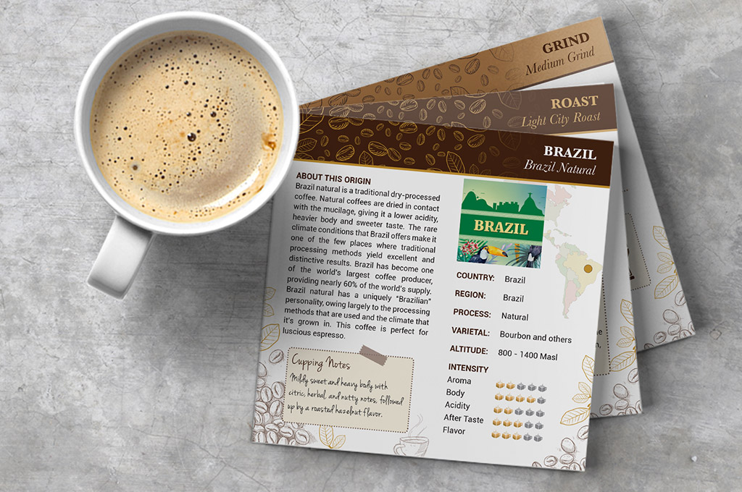

Duplicates - Identify & Remove
Task 1: Click on tab "3b. Data"
1. Identify duplicate data
2. Report count of duplicated data to class
3. Remove duplicated data

3c. Solution
Coffee Sales

Duplicates - Identify & Remove
Task 1: Click on tab "Sales"
Task 2: Identify Duplicated Rows via Conditional Formatting
- Create a new column and call "Combined"
- On cell P2 , place the following: =A2&B2&C2&D2&E2&F2&G2&H2&I2&J2&K2&L2&M2&N2&O2
- Fill Down the formula
- Highlight all data within column "Combined"
- Conditional Formatting > Highlight Cell Rules > Duplicate Values > OK
- Duplicate values will be highlighted
Task 3: Count Duplicated Rows
Sub Task A - Use UNIQUE() to get unique Grades
- On cell R2, use UNIQUE()
- Actual code: =UNIQUE($P$2:$P$4252,FALSE,FALSE)
Sub Task B: Use COUNTIF() to get Grade Counts
- On cell S2, use COUNTIF(range, criteria)
- Actual code: =COUNTIF($P$2:$P4252,R2)
- Fill Down
Task 4: Remove Duplicated Rows
- Highlight all data only
- Data > Remove Duplicate > OK

